Sheet1
Bulk wine export prices ($US cents/litre)

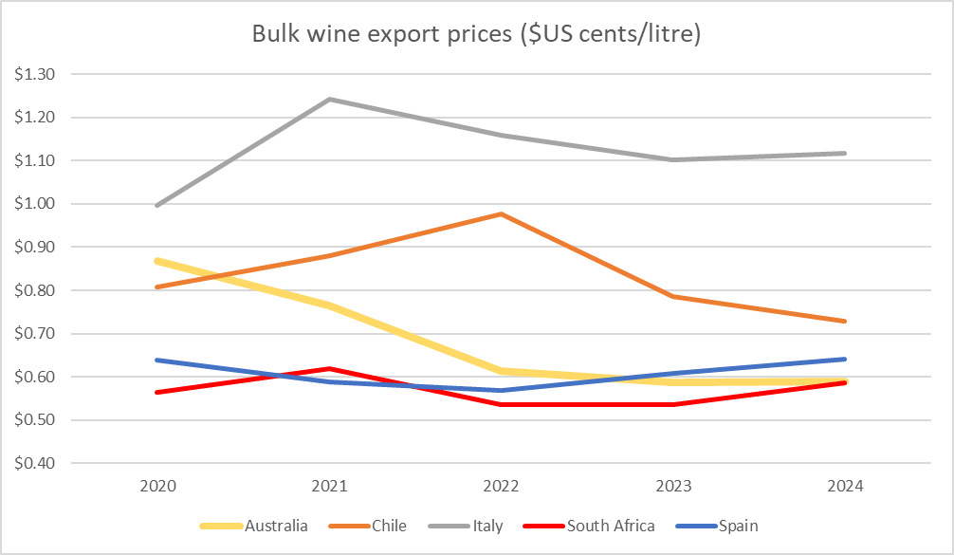
 | 2020 | 2021 | 2022 | 2023 | 2024
Australia | $0.87 | $0.77 | $0.61 | $0.59 | $0.59
Chile | $0.81 | $0.88 | $0.98 | $0.79 | $0.73
Italy | $1.00 | $1.24 | $1.16 | $1.10 | $1.12
South Africa | $0.56 | $0.62 | $0.54 | $0.54 | $0.59
Spain | $0.64 | $0.59 | $0.57 | $0.61 | $0.64

