Sheet1
NSW Wine Grape Prices ($/tonne)

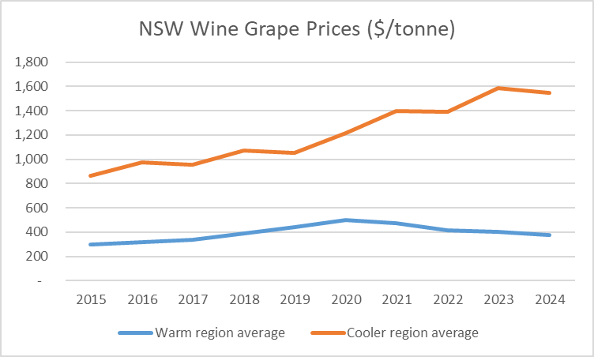
 | Warm region average | Cooler region average
2015 | 299 | 865
2016 | 319 | 974
2017 | 338 | 953
2018 | 387 | 1,069
2019 | 443 | 1,051
2020 | 501 | 1,214
2021 | 475 | 1,395
2022 | 413 | 1,390
2023 | 406 | 1,585
2024 | 373 | 1,546

