Sheet1
Stocks to sales ratio for Australian wine

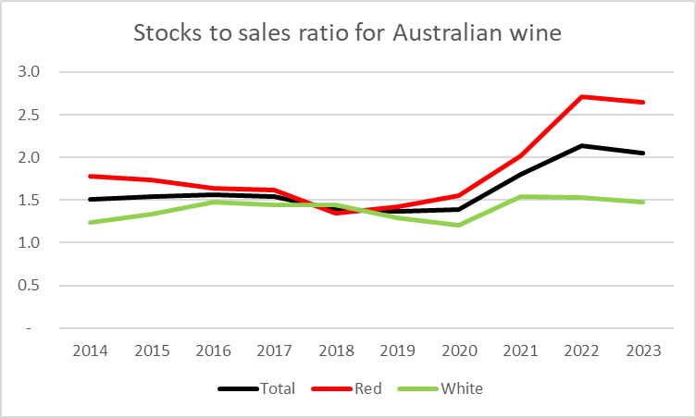
 | Total | Red | White
2014 | 1.5 | 1.8 | 1.2
2015 | 1.5 | 1.7 | 1.3
2016 | 1.6 | 1.6 | 1.5
2017 | 1.5 | 1.6 | 1.4
2018 | 1.4 | 1.3 | 1.4
2019 | 1.4 | 1.4 | 1.3
2020 | 1.4 | 1.6 | 1.2
2021 | 1.8 | 2.0 | 1.5
2022 | 2.1 | 2.7 | 1.5
2023 | 2.1 | 2.6 | 1.5

